Maintainability
M1 | -1.0719836389
M2 | 0.68163130557
B | -50
Σ SqErr | 0.03134180216

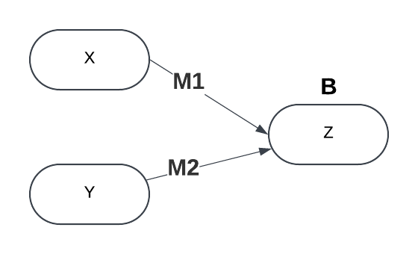
Ccomplex | TestCov | Expected | Round(Sig) | IsWrong | NormalX | NormalY | Actual | Sigmoid | SqErr
5 | 85 | 1 | 1 | 0 | 0.83333333333 | 0.7 | 2.5787427786 | 0.92948090757 | 0.0049729423975
12 | 78 | 0 | 0 | 0 | 0.6 | 0.56 | -9.6965618328 | 6.1490779241E-05 | 3.7811159316E-09
8 | 90 | 1 | 1 | 0 | 0.73333333333 | 0.8 | 2.7709483897 | 0.94108559058 | 0.003470907637
15 | 70 | 0 | 0 | 0 | 0.5 | 0.4 | -18.365563194 | 1.0566648071E-08 | 1.1165405145E-16
9 | 95 | 1 | 1 | 0 | 0.7 | 0.9 | 5.1071212786 | 0.99398294002 | 3.6205010826E-05
20 | 60 | 0 | 0 | 0 | 0.33333333333 | 0.2 | -30.541794444 | 5.4433618527E-14 | 2.9630188259E-27
7 | 88 | 1 | 1 | 0 | 0.76666666667 | 0.76 | 2.4796694175 | 0.92270422364 | 0.0059746370437
10 | 65 | 0 | 0 | 0 | 0.66666666667 | 0.3 | -16.413801527 | 7.4400617031E-08 | 5.5354518147E-15
6 | 80 | 0 | 0 | 0 | 0.8 | 0.6 | -1.9013973881 | 0.12995039934 | 0.016887106289
18 | 50 | 0 | 0 | 0 | 0.4 | 0 | -35.214140222 | 5.0897120933E-16 | 2.5905169193E-31

Inputs are Scaled and Normalized in the Model

